Sheet1
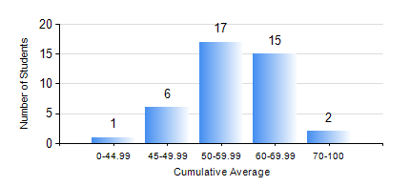
 |  |  | KWAME NKRUMAH UNIVERSITY OF SCIENCE AND TECHNOLOGY, KUMASI Department of Mechanical Engineering

 |  |  | BSC. MARINE ENG.

 |  |  | COMPREHENSIVE RECORD OF EXAMINATION RESULTS

 |  |  | RESULTS OF YEAR 2 SECOND SEMESTER, 2024/2025 ACADEMIC YEAR

 | Sn | Course Code |  | Course Name | Credit Hours | Min. Mark | Max. Mark | Avg. Mark | Std. Dev. | No. Passed | No. Trailed | No. (Df) | No. (I) | No. (I*) | No. Tagged(I,I*,Df) | Total
 | 1. | MATH 252 |  | CALCULUS WITH SEVERAL VARIABLES | 4 | 21 | 87 | 49 | 18.19 | 30 | 10 | 0 | 1 | 0 | 1 | 41
 | 2. | ME 252 |  | FLUID DYNAMICS I | 2 | 26 | 83 | 53 | 12.75 | 39 | 1 | 0 | 1 | 0 | 1 | 41
 | 3. | ME 270 |  | MANUFACTURING TECHNOLOGY | 3 | 23 | 81 | 69 | 11.01 | 39 | 1 | 0 | 1 | 0 | 1 | 41
 | 4. | MME 264 |  | MARINE MECHANISMS, SYSTHESIS AND ANALYSIS | 3 | 26 | 89 | 62 | 15.13 | 38 | 2 | 0 | 1 | 0 | 1 | 41
 | 5. | MME 274 |  | MARINE ENGINEERING DESIGN PROJECT II | 2 | 19 | 83 | 53 | 17.62 | 33 | 7 | 0 | 1 | 0 | 1 | 41
 | 6. | MME 292 |  | SEAMANSHIP | 2 | 45 | 88 | 68 | 9.57 | 41 | 0 | 0 | 0 | 0 | 0 | 41
 | 7. | MME 296 |  | MARINE ENGINEERING LABORATORY I | 1 | 40 | 67 | 52 | 7.48 | 40 | 0 | 1 | 0 | 0 | 1 | 41
 | 8. | SES 172 |  | AQUATIC STROKES DEVELOPMENT AND REFINEMENT | 2 | 17 | 78 | 63 | 10.88 | 39 | 1 | 0 | 1 | 0 | 1 | 41

